DCF
Forecasted cash flows from SaaS business (in USD), discounted using DCF method

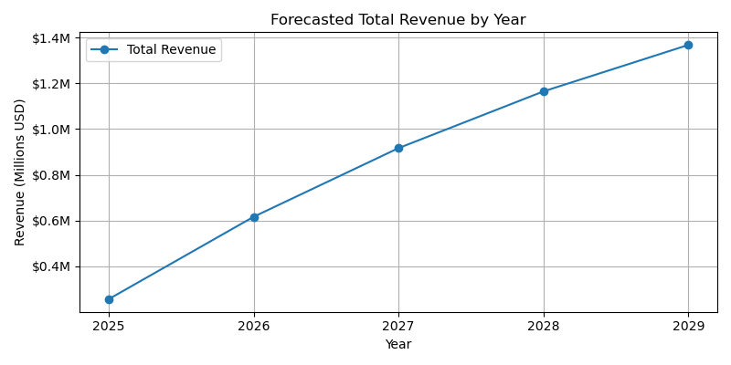
Year | Total Revenue | Discount Factor | Forecasted Cash Flow
2025 | $255,666 | 100.0% | $255,666
2026 | $616,076 | 90.9% | $560,069
2027 | $916,706 | 82.6% | $757,608
2028 | $1,164,972 | 75.1% | $875,261
2029 | $1,368,365 | 68.3% | $934,612
Terminal Value | $20,134,518 | 68.3% | $13,752,147
NPV |  |  | $17,135,363

